CABLE ASS'Y
홍콩 SCL PSR POWER CABLE ASS'Y

Pin map
Connector | Pin | Pin No. |  | Singal Name | CABLE |  | Length | Singal Name | Pin No. |  | Pin | Connector
WAGO 770-173 | - | L |  | L/DC 110V / CON1-Vin+ | 100G0111-1.0/RAYCHEM |  | 100mm |  | 1 |  | YEONHO/YT396J | YEONHO YH396-05V
 |  | GND |  |  | - |  | - |  | 5
 |  | N |  | N/DC GND / CON1-Vin- | 100G0111-1.0/RAYCHEM |  | 100mm |  | 3

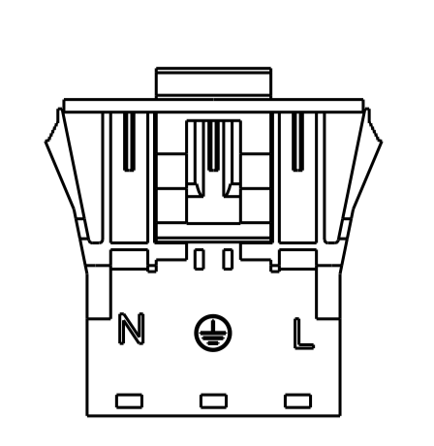
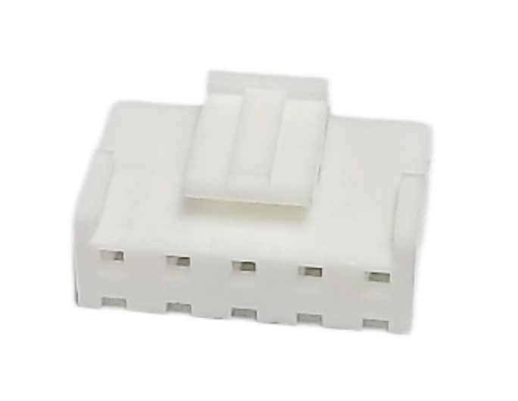
Diagram & Label
 |  | WAGO 770-173 |  |  |  | PSR 12 PWR |  |  |  | YEONHO YH396-05V
 |  |  | L | L/DC 110V / CON1-Vin+ |  |  |  |  | 1

 |  |  | N | N/DC GND / CON1-Vin- |  |  |  |  | 3

 |  |  |  | 100mm

 |  | WAGO 770-173 |  |  |  | PSR 35 PWR |  |  |  | YEONHO YH396-05V
 |  |  | L | L/DC 110V / CON1-Vin+ |  |  |  |  | 3

 |  |  | N | N/DC GND / CON1-Vin- |  |  |  |  | 1

 |  |  |  | 100mm

Part list
No. | P/N | Type |  | Description |  |  | Qty. | Maker | Maker P/N |  |  | REMARK
1 | - | CONN_HOUSING (2.5mm) |  | WAGO 770-173 |  |  | 2 | WAGO | 770-173
2 | - | CONN_HOUSING (2.5mm) |  | YEONHO YH396-05V |  |  | 3 | YEONHO | YH396-05V
3 | - | CONTACT_PIN (2.5mm) |  |  |  |  | 6 | YEONHO | YH396J
4 | -
Total

Revision history
No. | Date | Detail of revision |  |  |  |  | REMARK
1 | 2024-07-13 | 최초작성
2 | 2024-07-24 | 전원 케이블 변경 |  |  |  |  | 0.5 -> 1.0

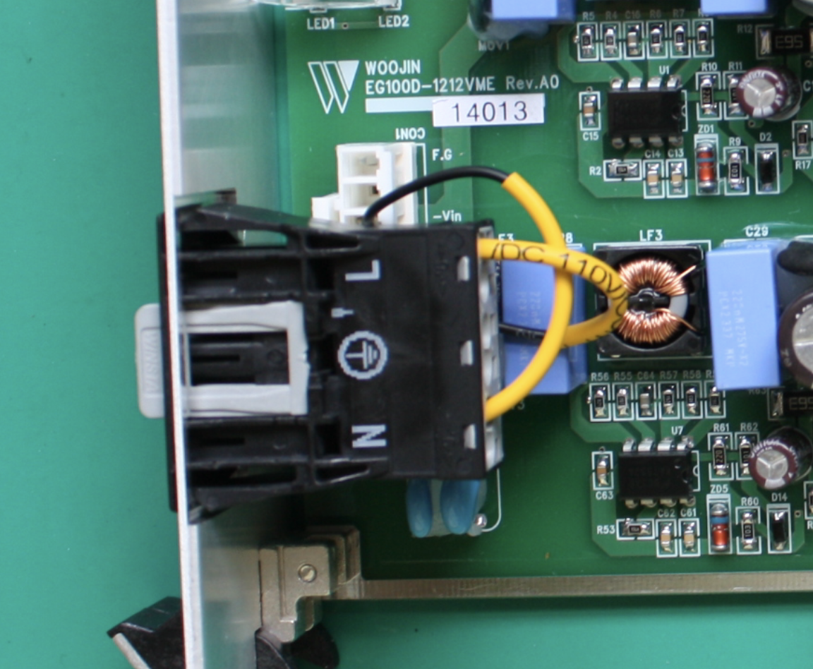
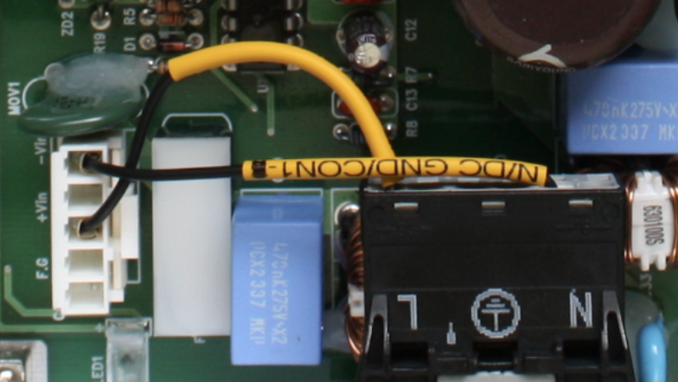
12V
35V

